A's
# | Questions | Answers | Links
 | Random Reads
1 | What is the difference between Reader/Writer Class and Streams? | So, there are lot of ways to read inputs. In Streams (InputStream and OutputStream), bytes of data are read into memory. We can read a single byte or certain amount of bytes at a time. In Reader and Writer, a single character is read/written. Basically both classes reads/writes bytes of data. But Reader/Writer does additional function to convert bytes into character. | https://stackoverflow.com/questions/32185843/whats-the-difference-between-input-output-streams-and-ordinary-reader-and-write
2 | What is JDK / JVM / Bytecode
3 | What is JAR
 | What is a Java ByteCode? | It's a different type of binary file (like we get from compiling C++ codes). This .class file will be interepreted by the JVM running on that corresponding platform
 | What is the the difference between C++ binary and Java binary(or Bytecode) | C++ binary is compiled for a specific platform and cannot be made to execute in a different platform. But in the case of Java Bytecode compiled by Java compiler, it can run on any platform because, JVM can interpret it to corresponding platforms. Java is compiled and interpreted language.
 | Difference between int and Integer? | So we can do int a =7; or Integer a = 7; The difference is int - a primmitive data type. Integer - a Java Class. Which means, you can use lot of methods availble in Integer class (like a.toString(), a.size() etc..), but with primitive data type you cannot do that.
 | int in Java. Size and Range? | 4 bytes signed integers. Range (-2^31) to (2^31 -1).
 | Can we use more than (2^31) -1 bits for integer in Java | In Integer Class we have provision to declare the variable as unsigned and use up the space of negative numbers. So we can have the range of 0 to 2^32
 | What is the size of byte and short data type? What is their use? | The byte is of 1 byte and the short is of 2 bytes. Signed integers. They can used in large arrays to save lot of space.
 | char in Java? Size and encoding? | 16 bit Unicode or (UTF-16). So 16 bits are required for a character in Java. So, it can store upto 2^16 characters. Represented as \u0000 to \uffff.
 | Which one is faster ??? Why???? for(int i ; i<1000; i++) Vs for(Integer i ; i<1000; i++) | Integer is a Wrapper class, so any arithmetic operation like i = i+1 are expanded as Integer.valueOf( i . intValue() = Integer . valueOf( i . intValue() + 1) This is relatively slower compared to an operation on primitive types.

 | When "super" keyword is used?
 | when "this" keyword used?
 | Difference between ASCII and UTF-8 | UTF-8 is a super set of ASCII. It has a abundant character support (2^7), but ASCII has only 128 characters(0-127). ASCII was developed only for english language usage, but later more language and character supports needed and gave rise to other enncoding formats like UTF | https://stackoverflow.com/questions/19212306/whats-the-difference-between-ascii-and-unicode
 | Abstract Class
 | What is an Abstract Class? What is the purpose?
 | Syntax of Abstract class?
 | Can the sub classes of Abstract class be Abstract class?

 | What is an Interface? Usage of Interface?
 | Syntax of Interface
 | Name some Interfaces in Java or Android?

 | Scanner Class in Java, Usage? | Using Scanner class object we can get STDIN inputs and many other inputs. Scanner input = new Scanner(System.in) int age = input.nextInt(); char sex = input.nextChar();
 | How you declare constant variables? | final int PROJECT_ID = 123;
 | What is Garbage Collection? How finalize() method related to this? | It is the process of clearing the unreachable objects left out after a program execution. For example, in a program Integer a = 4; ---------> This creates an object and allocate 4 bytes, referenced by a. a = null; ---------> So here we killed that reference. We can no longer access those 4 bytes in the Heap. So, GC will delete all those objects and free Heap mem. Before deleting any object, GC will invoke the function public void finalize(){ // we can override this function in any class. }
 | Invoking Garbage Collector? | Yes using System.gc();
 | Island of Isolation means? | Related to Garbage Collection, When there is an island of objects references one another, but they cannot be accessed from outside.
 | Mutable objects Vs Immutable objects. Explain. | In Java, The Immutable objects are the ones whose "fields" CANNOT be changed. Ways to make Immutable Objects: 1. Dont provide Setter methods. 2. Use final keyword.. etc.. Eg: public class SomeClass{ private final int a = 1; } Muttable objects are the ones we usually see, whose fields can be chnaged using setter methods. Eg: public Class SomeClass{ private int a=1; void setA(int x){ this.a = x; } } | https://stackoverflow.com/questions/4658453/difference-between-mutable-objects-and-immutable-objects
 | Super keyword usage? | super keyword can be used by the child class to access the constructors and methods of super class. In child class constructor, a call to parent constructor is implicit (it looks like this: super(); ). If we want to call a specific constructor with arguments we can do so like super(arg1, arg2); But why do we need to access parent class methods with super keyword?(as we already inherited the class). At some instances, when we override the parent class methods, we can utilize the parent class method by super.method_name() (See Right Image) | 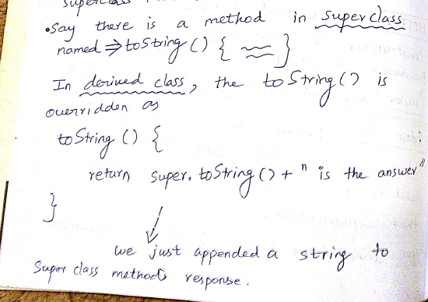
 | why its good to have no argument constructor? | Because if the child classes forgot to invoke the parent class constructors explicitly, by default no arg constructors will be invoked. super(); So it's better to have no arg constructor
 | What are Virtual Functions and Are there Virtual functions in Java? | In object-oriented programming, a virtual function or virtual method is a function or method whose behaviour can be overridden within an inheriting class by a function with the same signature to provide the polymorphic behavior. Every non-static method in JAVA is by default virtual method except final and private methods.

